Tour-Rigid
info@lichtmega.com | www.lichtmega.com
Tour —— Order Form
Customer： | Ship To:
PO Number: | Address:
Date: | Zip:
Sales: | Email:
 | Phone:

Tour City | Tour Original
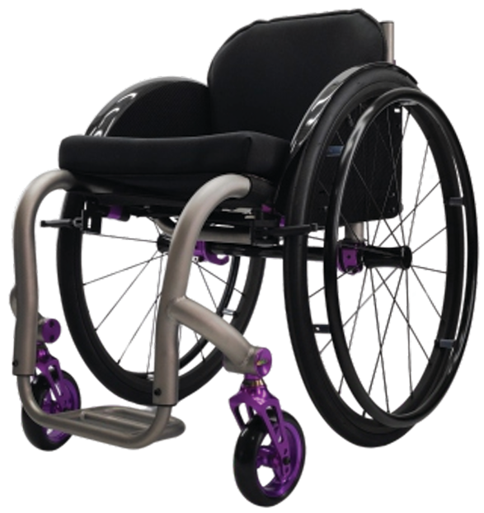
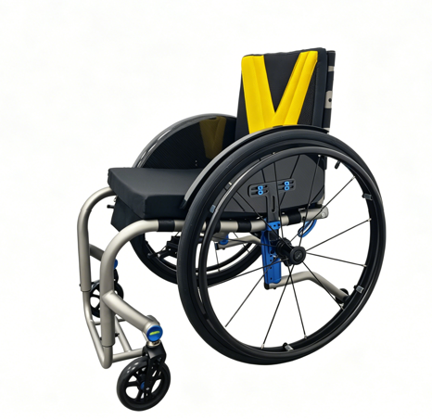

Frame
Frame Material

Seat Width | Seat Depth

Front Seat Height | Rear Seat Height

*The height of the front seat shall be higher than that of the rear seat.

Lower Leg Length

* The minimum ground clearance of the lower leg is 2 inches.

Backrest
Backrest Type | Backrest Height

Push Handle

Footrest
Footrestplate | Front Angel

Front Casters
Caster Size | Caster Type

Wheel Locks
Wheel Lock

Rear Wheels
Rear Wheel Size | Rear Wheel Camber

Center of Gravity

Handrim Style | Handrim Mount

Rear Wheel Type

Add-on Power Wheels

Armrest
Arm Rest

Side Guard & Anti-tip
Side Guard | Anti-tip

Finish & Color
Finish for Frame | Painting Color
 | Color for Main Frame

 | Color for Anordized Parts

Upholstery
Seatbase Upholstery | Seatback Upholstery

Cushion

